File Summary Page
CAFM 2.0 Data Migration File Template

Current Record Count: | 50 | File /Table Name: | Fi$cal Customer IDs, 13 fields
Source of Data: | FileMakerPro JCC Server | Summary Description of Tables Contents: | Tracks Customer ID number for Fi$cal State Financial Software
Database Size | 7 KB | Summary Description of Tables Purpose: | Provides Customer ID numbers used for Fiscal
Parent or Child or null: | See diagram in Table Relationships worksheet for relationship | Related File Name(s):
Other related smaller tables: | None | Comments or other Pertinent information:

Table Relationships
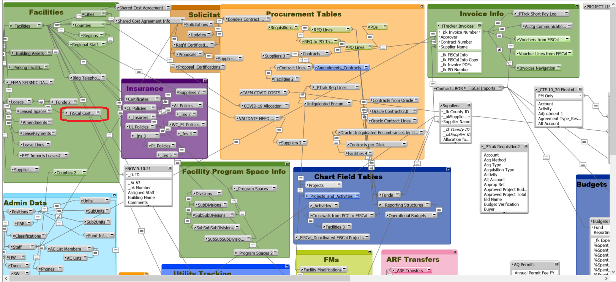

Return to Summary

