File Summary Page
CAFM 2.0 Data Migration File Template

Current Record Count: | 508 | File /Table Name: | _FacTrak Parking Facilities, 56 fields
Source of Data: | FileMakerPro JCC Server | Summary Description of Tables Contents: | Tracks Parking Facilities at JCC Buildings
Database Size | 307 KB | Summary Description of Tables Purpose: | Provides information regarding parking lots for courts, the number of spaces, lease information and revenue information
Parent or Child or null: | See diagram in Table Relationships worksheet for relationship | Related File Name(s): | Buildings Leases
Other related smaller tables: | None | Comments or other Pertinent information: | Data comes from building data and interfaces with leases

Field Definitions
Table/FileName: | _FacTrak Parking Facilities, 56 fields
Field Name | Type of Field | Related Table/Key | Description
_pk calculated ParkingID | Text | Key | Building ID + ".01" - Can there be more than one parking facility per court?
_fk BLDG ID | Text | Key | Building ID number from CAFM 1.0 Location
_Funding_for_Leased_Licensed_Spaces_JCC_or_Court_ | Text |  | 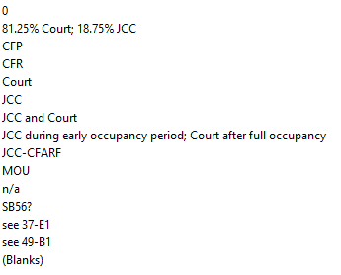 Funding source for leased space
Acquisition Type | Text |  | Acquisition type from CAFM 1.0 Location and Acquisition
Address | Text |  | Building address from CAFM 1.0 Location and Acquisition
Assigned to | Text |  | Assigned Real Estate staff
Building Gross SF | Number |  | Building gross square feet from CAFM 1.0 Location
Building Name | Text |  | Building name from CAFM 1.0 Location
Building Type | Text |  | Building type from CAFM 1.0 Location
City | Text |  | Building city from CAFM 1.0 Location
County | Text |  | Building county from CAFM 1.0 Location
Discrepancy Test | Calc |  | Calc Total number of Spaces - Number of parking spaces in this parking facility
Documented JCC Percent | Number |  | JCC percentage of shared cost from from CAFM 1.0 Location
Does this Parking Facility have any PhotoVoltaic Installations | Text |  | Data source CAFM 1.0, data helpful for sustainability unit
Exclusive Court Space_SF | Number |  | Building exclusive square feet from CAFM 1.0 Location
Exclusive Non_Court Space_SF | Number |  | Building non-exclusive square feet from CAFM 1.0 Location
Expiration Date of JCC Parking License to 3rd Party | Text |  | Expiration date of parking license to third party in date format, other notes
Individual Parking Facility Service Maintenance Level | Text |  | Individual Parking Facility Service Maintenance Level: No Service, Not Applicable = No Parking Available, Partial Service, Full service, blanks
JCC Region | Text |  | JCC Region from CAFM 1.0 Location for building: North - Region 1, North East - Region 2, West - Region 3, Central - Region 4, South West - Region 5, Los Angeles - Region 6A, Los Angeles - Region 6Bor South - Region 7
Lease_License Expiration Date_JCC leases parking | Text |  | Lease license expiration date of JCC leases parking MM/DD/YYYY or other notes
Maintained by Parking Contractor? | Text |  | Yes,No, blanks
Managing Party | Text |  | Building managing party from CAFM 1.0 Location
Need Parking Type | Text |  | Yes,No, blanks
Number of County Spaces | Number |  | Number of county parking spaces or blank
Number of Court Spaces | Number |  | Number of court parking spaces or blank
Number of First_Come First_Served Spaces: Court County Public | Number |  | Number of first come first served spaces: Court County Public, or blank
Number of Leased Licensed Spaces_JCC leases parking from 3rd party | Number |  | Number of leased licensed spaces of JCC leases parking from 3rd party, or blank
Number of Offsite Court Spaces | Number |  | Number of offsite court spaces, or blank
Number of parking spaces in this parking facility | Number |  | Number of parking spaces in this parking facility, or blank
Number of Reserved Court Spaces | Number |  | Number of reserved court spaces, or blank
Number of Secured Court Spaces | Number |  | Number of secured court spaces, or blank
Number of Spaces JCC Licenses to 3rd party | Number |  | Number of spaces JCC licenses to 3rd party, or blank
Number of Unreserved Court Spaces | Number |  | Number of unreserved court spaces, or blank
Owned_Leased | Text |  | Owned, Leased, Owned/Leased, blanks
Parking Facility Provenance | Text |  | Parking facility provenance, example - Transferred: JCC has equity interest
Parking Notes | Text |  | Comments about parking facility
Parking Space Ownership | Text |  | Data surveyed was all blank
Parking Type | Text |  | Separate Structure, No Parking, Surface Lot (s), Subsurface - Below Bldg,subsurface Subsurface -Below Bldg, Off Street Parking, parking structure Separate Structure
Parking Type _Structure | Number |  | Parking type Structure number, or blanks
Parking Type _Subsurface | Number |  | Parking type subsurface number, or blanks
Parking Type _Surface | Number |  | Parking Type surface number, or blanks
Parkint Type_Off Street | Number |  | Parkint Type off Street number, or blanks
Parking Type: County Provided_not transferred_ | Number |  | Parking Type county provided not transferred number, or blanks
Parking Type:JCC Provided | Number |  | Parking Type JCC Provided number, or blanks
Parking Type:Transferred_JCC has equity interest_ | Number |  | Parking Type Transferred JCC has equity interest number, or blanks
Records Needing Amber's Attention | Text |  | Yes, No, blanks
Records with questions | Text |  | Yes, No, blanks
Related Parking Facility ID | Text |  | Building ID + ".01" , different than key
Revenue Generating? | Text |  | Yes, No, blanks
Summary count of facilities | Summary |  | All records contain total count of facility = 507
Summary Discrepancy Test | Summary |  | All records contain summary of discrepancy = 933
Summary Number of parking spaces in the parking facility | Summary |  | All records contain total parking spaces for all facilities 60627
Summary Parking Type_Off Street | Summary |  | All records contain summary of off street parking = 200
Title Holder | Text |  | City, County, JCC, Landlord, blank
Total Number of Spaces | Number |  | Total Number of Spaces for building, or blank
Who is Responsible for Cleaning Parking Facility? | Text |  | County, Delegate, JCC, JCCCounty, Landlord, Unclear, blank

Table Relationships
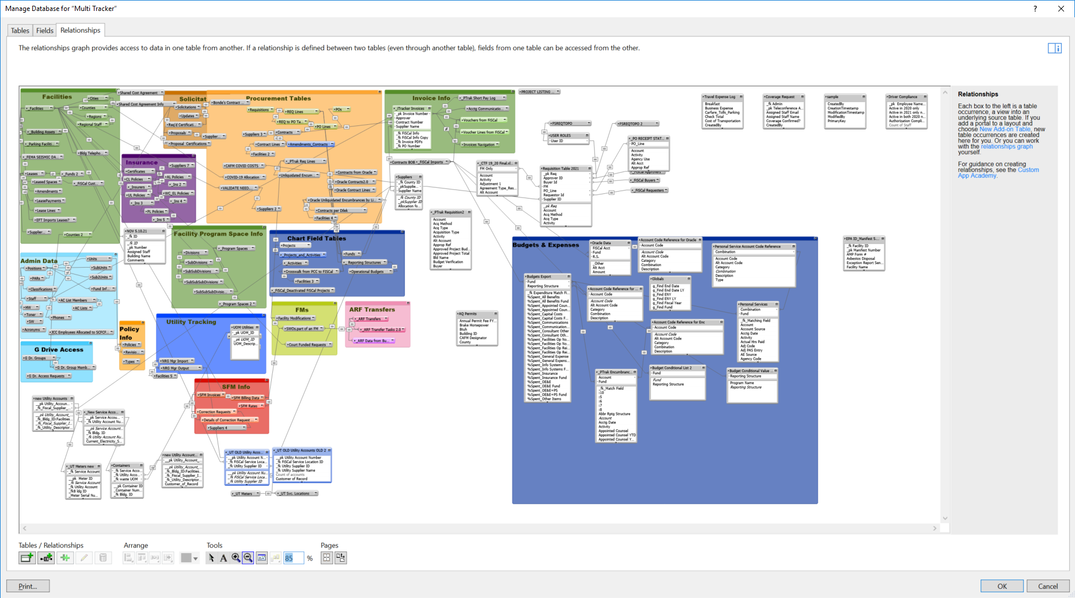
 | The Major Tables in eVision

Return to Summary

