File Summary Page
CAFM 2.0 Data Migration File Template

Current Record Count: | 2061 | File /Table Name: | Admin Shared Cost Agreements Info, 16 fields
Source of Data: | FileMakerPro JCC Server | Summary Description of Tables Contents: | List of the Shared Cost Agreements
Database Size | 356 KB | Summary Description of Tables Purpose: | Shared Costs Database
Parent or Child or null: | See Table | Related File Name(s): | Buildings from CAFM 1.0 agreements where a percentage of cost is shared with counties
Other related smaller tables: | None | Comments or other Pertinent information: | Data comes from and interfaces with CAFM 1.0

Table Relationships
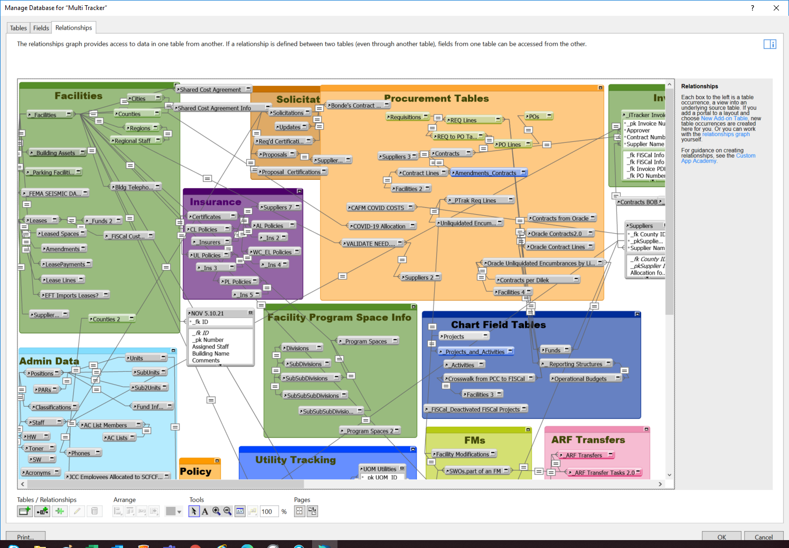

Return to Summary

