File Summary Page
CAFM 2.0 Data Migration File Template

Current Record Count: | 902 | File /Table Name: | Operational Telephones File, 7 fields
Source of Data: | FileMaker Pro JCC Server | Summary Description of Tables Contents: | List of telephones contracted by the JCC in courts and assets
Database Size | 68 KB | Summary Description of Tables Purpose: | List of telephones contracted by the JCC in courts and assets
Parent or Child or null: | See Table | Related File Name(s): | Buildings Assets
Other related smaller tables: |  | Comments or other Pertinent information: | Data comes from Katharine Malone operational phones excel database

Table Relationships
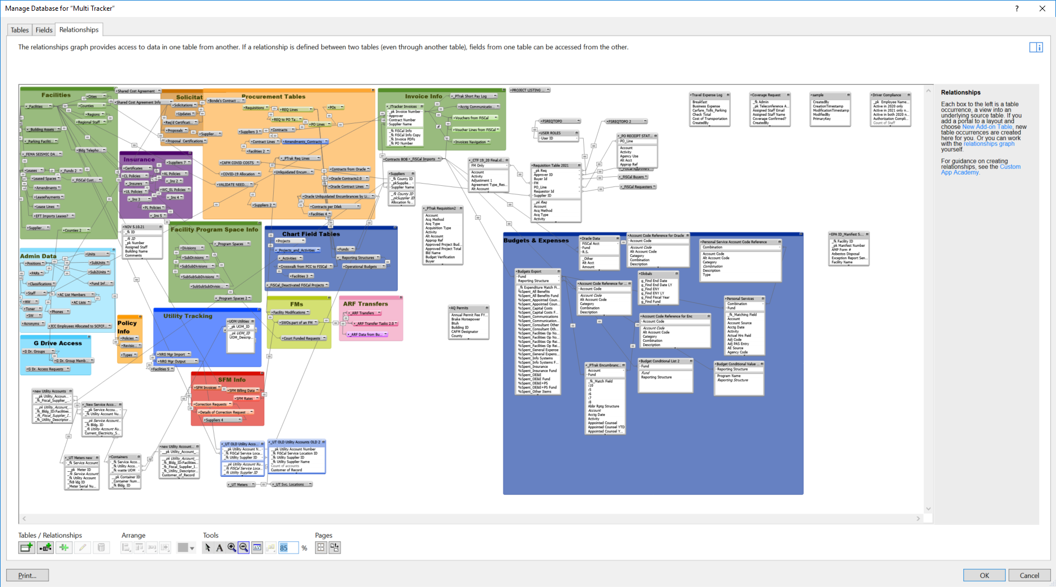
 | The Major Tables in eVision

Return to Summary

