Contact Info
Who should we contact for additional information and/or clarifications?
1 | Court/County

2 | Court Contact: | Charlie Collector
 | Telephone Number: | (***) 875-2000
 | E-mail Address: | charlie.collector@court.ca.gov

Tell us the order by which delinquent debt referred/transferred between programs.
3 | County Contact: | Joe Collector
 | Telephone Number: | (***) 916-2000
 | E-mail Address: | Joe.Collector@county.ca.gov

4 | List collection agencies or programs used by order in which debt is referred: |  | 1.
 |  |  | 2
 |  |  | 3.
 |  |  | 4.
 |  |  | 5.

Collections data: total amount collected, total number of cases and individuals associated with cases, and cost per collection activity
5 |  |  |  | Item 4 |  | Item 5 | Item 6a | Item 6b | Item 7
Below is a description of the collections components (activities) authorized by Penal Code section 1463.007. As required by Government Code section 68514, for Items 4, 5, 6a, 6b and 7, input the requested information for each collection activity that the court/county program currently uses: |  |  |  | Check each collections activity performed by program | Category | Total amount collected per collection activity | Total number of cases by activity | Total number of individuals associated with those cases | Total administrative cost per collection activity
6 | a. Attempts telephone contact with delinquent debtors for whom the program has a telephone number to inform them of their delinquent status and payment options. |  |  |  | 1 |  |  | Enter data as part of Category 3, (activity c)
7 | b. Notifies delinquent debtors for whom the program has an address in writing of their outstanding obligation within 95 days of delinquency. |  |  |  | 2
8 | c. Generates internal monthly reports to track collections data, such as age of debt and delinquent amounts outstanding. |  |  |  | 3
9 | d. Uses Department of Motor Vehicles information to locate delinquent debtors. |  |  |  | 4
10 | e. Accepts payment of delinquent debt by credit card. |  |  |  | 3 | Enter data as part of Category 3, (activity c), Row 8 above.
11 | a. Sends delinquent debt to the Franchise Tax Board's Court-Ordered Debt Collections Program. |  |  |  | 5
12 | b. Sends delinquent debt to the Franchise Tax Board's Interagency Intercept Collections Program. |  |  |  | 6
13 | c. Initiates driver's license suspension or hold actions when appropriate for a failure to appear in court. |  |  |  | 7
14 | d. Contracts with one or more private debt collectors to collect delinquent debt. |  |  |  | 8
 |  |  |  |  | 2 | Enter data as part of Category 2 (activity b), Row 7 above.
 |  |  |  |  | 4 | Enter data as part of Category 4, (activity d) in Row 9 above.
 |  |  |  |  | 4 | Enter data as part of Category 4, (activity d) in Row 9 above.
 |  |  |  |  | 4 | Enter data part of Category 4, (activity d) Row 9 above.
 |  |  |  |  | 9
 |  |  |  |  | 9 | Enter data as part of Category 9, (activity i) Row 19 above.
Additional detailed information on debt resolved or satisfied through an ability to pay determination, custody credits or community service in lieu of cash payment.
 |  |  |  |  | 1 | Enter data as part of Category 1, (activity a) Row 6 above.
 |  |  |  |  |  | $0 | 0 | 0 | $0

 |  | Additional Information: |  |  |  |  | Number of Cases |  | Value ($)
23 | If available, provide the total value of fines, fees, forfeitures, penalties, and assessments initially imposed, prior to any adjustments.

24 | If available, provide the total number and value of cases adjusted (e.g., bail or fine reduced or waived) based on an ability to pay determination.

25 | If available, provide the total number and value of cases adjusted (e.g., bail or fine satisfied) with custody credits in lieu of cash payment.

26 | If available, provide the total number and value of cases adjusted (e.g., bail or fine satisfied) with community service in lieu of cash payment.

Collections activities Category Key
27 | If available, provide the total number and value of cases adjusted (e.g., bail or fine satisfied) by dismissal of charges in lieu of cash payment.

Automated tally of collections activities used.
Category Key: (See Category tab for task/activities list)
1= Telephone Contact |  | 4= Skip tracing | 7= DL Hold
2= Written Notice(s) |  | 5= FTB-COD | 8= Private agency
3= Lobby/counter |  | 6= FTB-IIC | 9= Wage/bank garnishments and Liens
Is the program qualified as a comprehensive collection program? |  |  |  |  |  | No

PC1463.007
Item 4
Check each collections activity performed by program
Under Penal Code section 1463.007, a program is authorized to recover operating costs associated with the collection of delinquent court-ordered debt, if it meets 10 of 16 components (collections activities).
The 10 of 16 activities may be met collectively by the program; court, county, private vendor, FTB, or Intra-branch.
...

Categories
Item 4 |  | Item 5 | Item 6a | Item 6b | Item 7
Check each collections activity performed by program | Category | Total amount collected per collection activity | Total number of cases by activity | Total number of individuals associated with those cases | Total administrative cost per collection activity
 | 1 |  |  | Enter data as part of Category 3, (activity c)
 | 2
To simplify reporting, the 16 activities were grouped into 9 categories.
Refer to the Category Tasks tab for list of "tasks or activities" typically performed as part of the collections process to determine where data related to Items 5, 6a, and 7 fits most adequately. For Item 4, the first five activities are mandatory and MUST be checked.
 | 3
 | 4
 | 3 | Enter data as part of Category 3, (activity c), Row 8 above.
 | 5
 | 6
 | 7
 | 8
 | 2 | Enter data as part of Category 2 (activity b), Row 7 above.
 | 4 | Enter data as part of Category 4, (activity d) in Row 9 above.
 | 4 | Enter data as part of Category 4, (activity d) in Row 9 above.
 | 4 | Enter data part of Category 4, (activity d) Row 9 above.
 | 9
 | 9 | Enter data as part of Category 9, (activity i) Row 19 above.
 | 1 | Enter data as part of Category 1, (activity a) Row 6 above.
 |  | $0 | 0 | 0 | $0

Activities
To the extent possible, break-out cost by collecitons activity. This data will help evaluate cost effectiveness of each activity.
Item 4 |  | Item 5 | Item 6a | Item 6b | Item 7
Check each collections activity performed by program | Category | Total amount collected per collection activity | Total number of cases by activity | Total number of individuals associated with those cases | Total administrative cost per collection activity
 | 1 |  |  | Enter data as part of Category 3, (activity c)
 | 2
 | 3
 | 4
 | 3 | Enter data as part of Category 3, (activity c), Row 8 above.
 | 5
 | 6
 | 7
 | 8
 | 2 | Enter data as part of Category 2 (activity b), Row 7 above.
 | 4 | Enter data as part of Category 4, (activity d) in Row 9 above.
 | 4 | Enter data as part of Category 4, (activity d) in Row 9 above.
Total amount collected and corresponding cost must reconcile with combined total in the Annual Financial Report (Row 26). If amounts do not reconcile, explain the variance in the Performance Report.
 | 4 | Enter data part of Category 4, (activity d) Row 9 above.
 | 9
 | 9 | Enter data as part of Category 9, (activity i) Row 19 above.
 | 1 | Enter data as part of Category 1, (activity a) Row 6 above.
 |  | $0 | 0 | 0 | $0
...

Program Report
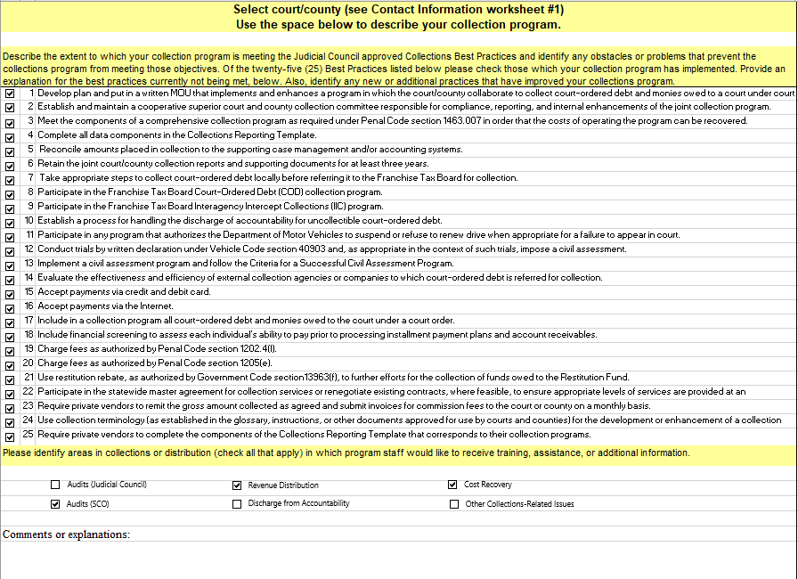

Check all best practices implemented by the program for the reporting period.
Report any changes in the number of practices met below, in the Comments section.

Performance Report
Select court/county (see Contact Information worksheet #1)
Use the space below to discuss your collection program.

Please provide any comments on your Gross Recovery Rate or Success Rate for the reporting period, by Current Period, Prior Periods Inventory, and Combined.

Since reporting capabilities vary, if any portion of the information required cannot be provided for 2020-21 or if the information provided deviates from the Instructions, please explain here.
Also, tell us when program anticipates fully complying with the new reporting requirement.
If additional space is needed, please submit this section separately, in Word format.

Please explain the extent of your reporting capabilities in terms of providing the information required by GC68514. If data cannot be provided at this time or if the reported data differs from the Instructions, please describe the submitted data and any plans for providing this information in the future.
...

Annual Financial Report
...
Current Period: Include data only for cases established/referred or transferred as of July 1, 2020, for all offense types; infractions, misdemeanors, and felonies.
...
 |  | Cost of Collections (Penal Code 1463.007) | Adjustment: Amount satisfied by Court-ordered Suspension, Dismissal or Alternative Sentence (Item 3) | Discharge from Accountability (Item 3) | Change in Value (Col. C- E - G - H) | Value of Cases on Installment Agreement (Item 8) | Default Balance Installment Agreement (Item 8) | Percentage of Debt Defaulted On (Installment Agmt.) (Col. K / Col. J)
 |  | Col. F | Col. G | Col. H | Col. I | Col. J | Col. K | Col. L
...
 |  |  |  |  | -
 |  |  |  |  | -
 |  |  |  |  | -
 |  |  |  |  | -
 |  |  |  |  | -
 |  |  |  |  | -
 |  | - | - | - | - | - | -
...
Prior Periods: Include data for all cases referred or transferred before June 30, 2020 and all activity or transactions for the reporting period.
 |  | Cost of Collections (Penal Code 1463.007) enter as negative number | Adjustment: Amount satisfied by Court-ordered Suspension, Dismissal or Alternative Sentence | Discharge from Accountability | Net Value of Previously-Established Delinquent Debt at End of Period (Col. N - P - R - S) | Value of Cases on Installment Agmt. (Ending Balance from Prior Year) | Default Balance Installment Agreement | Percentage of Debt Defaulted On (Installment Agmt.) (Col. V / Col. U)
 |  | Col. Q | Col. R | Col. S | Col. T | Col. U | Col. V | Col. W
...
 |  |  |  |  | -
 |  |  |  |  | -
 |  |  |  |  | -
 |  |  |  |  | -
 |  |  |  |  | -
 |  |  |  |  | -
 |  | - | - | - | - | - | -
...
Combined: Formula calculates data from Current and Prior Periods.
Cells are formula driven, no data entry required (except Col. AE and EF).
 |  | Adjustments | Discharge from Accountability | Net Change in Value | Number of Cases - Ending Balance | Value of Cases-Ending Balance | Error Messages
 |  | Col. AB | Col. AC | Col. AD | Col. AE | Col. AF | Col. AG
...
 |  | - | - | - |  | -
 |  | - | - | - |  | -
 |  | - | - | - |  | -
 |  | - | - | - |  | -
 |  | - | - | - |  | -
 |  | - | - | -
 |  | - | - | - | - | -
GRR and SR metrics. Formulas calculate collections rate by period: Current, Prior, and Combined
...
 |  |  | Definition
 |  |  | Col. AM
 |  |  | Measures a collection program’s ability to resolve delinquent court-ordered debt, including alternative sentences, community service, suspended sentences and discharges.
 |  |  | Measures the amount of revenue collected on delinquent court-ordered debt based on total delinquent accounts referred after adjustments and discharges, including NSF checks.
VR and Other Reimbursements: Include data on newly established cases and all prior period inventory
...
Number of Cases Established/ Referred/ Transferred in Period | Value of Cases Established/ Referred/ Transferred in Period | Gross Revenue Collected: Other Justice-Related Reimbursements | Adjustments: Other Justice-Related Reimbursements | Gross Revenue Collected: Victim Restitution (PC1202.4 (f)) Only | Net Change in Value | Number of Cases - Ending Balance | Value of Cases - Ending Balance | Error Messages
Col. AP | Col. AQ | Col. AR | Col. AS | Col.AT | Col. AU | Col. AV | Col. AW | Col. AX
...
- | - | - | - | - | 0 | - | -
- | - | - | - | - | 0 |  | -
- | - | - | - | - | 0 |  | -
- | - | - | - | - | 0 |  | -
- | - | - | - | - | 0 |  | -
- | - | - | - | - | 0 |  | -
Signatures: CEO and CAO, or designee.
- | - | - | - | - | - | - | -

 |  |  | Reviewed by County

 |  |  | Printed Name |  |  | Signature

 |  |  | Date |  |  | Title (County Auditor-Controller or other)

Current Period
...
 | REPORTING PERIOD |  | Col. A
4 | Court Collection Program
5 | County Collection Program
6 | Private Agency
7 | FTB Court-Ordered Debt
8 | Intra-Branch Program
9 | Other
10 | Sub-total Delinquent | - | - | - | - | - | - | -

All mock collections information in this section corresponds to Sample Data #1

Prior Periods
From FY 2012-20 CRT:
Value of Cases- Ending Balance
Row 26, Column AF

PRIOR PERIOD (PREVIOUSLY-ESTABLISHED) DELINQUENT DEBT: FINES, FEES, FORFEITURES, PENALTIES AND ASSESSMENTS
 |  | Number of Delinquent Cases at Period Beginning (Ending Balance from Transfer Worksheet) | Value of Delinquent Cases at Period Beginning (Ending Balance from Transfer Worksheet) | Number of Cases with Payment(s) Received | Gross Revenue Collected | Cost of Collections (Penal Code 1463.007) enter as negative number | Adjustment: Amount satisfied by Court-ordered Suspension, Dismissal or Alternative Sentence | Discharge from Accountability | Net Value of Previously-Established Delinquent Debt at End of Period (Col. N - P - R - S)
Row | Program | Col.M | Col. N | Col. O | Col. P | Col. Q | Col. R | Col. S | Col. T
11 | Non-Delinquent Collections
12 | Court Collection Program |  |  |  |  |  |  |  | -
13 | County Collection Program |  |  |  |  |  |  |  | -
14 | Private Agency |  |  |  |  |  |  |  | -
15 | FTB Court-Ordered Debt |  |  |  |  |  |  |  | -
16 | Intra-Branch Program |  |  |  |  |  |  |  | -
17 | Other |  |  |  |  |  |  |  | -
18 | Sub-total Delinquent | - | - | - | - | - | - | - | - | - | -

From 2019-20 CRT:
Number of Cases - Ending Balance
Row 26, Column AE
All mock collections information in this section corresponds to Sample Data #2

Value of default balance carried over from prior year and any payments received from those accounts in 2019-20.

Combined Totals
...
The ending balance for the number of cases in Col. AE should reflect the beginning number of cases (Column X) less the number of cases closed during the reporting period (i.e., paid or satisfied in full, or discharged)
The ending balance for the value of cases as calculated in Col. AF is the beginning case value (Column Y) less the value of transactions for the period (Col. AD)
Amount reported in Col. AF should reconciles to figures reported from underlying systems and third party vendors. If the actual ending balance differs from the calculated amount in Col. AF, report the actual amount and explain the "out of balance" error message in Column AG on the Performance Report.

GRR and SR
...
As of 2008-09, and in compliance with AB367, the Judicial Council adopted two performance metrics: Gross Recovery Rate (GRR) and Success Rate (SR).
The GRR and SR benchmarks of 34 and 31%, respectively, remain the same.
The GRR and SR calculations DO NOT include non-delinquent revenue, or revenue collected for Victim Restitution or Other Justice Related Reimbursements.

VR and Other
From 2019-20 CRT:
Value of Cases - Ending Balance
Row 36, Column AW

VICTIM RESTITUTION AND OTHER JUSTICE-RELATED REIMBURSEMENTS
 |  | Number of Cases - (Ending Balance from Prior Year) | Value of Cases - (Ending Balance from Prior Year) | Number of Cases Established/ Referred/ Transferred in Period | Value of Cases Established/ Referred/ Transferred in Period | Gross Revenue Collected: Other Justice-Related Reimbursements | Adjustments: Other Justice-Related Reimbursements | Gross Revenue Collected: Victim Restitution (PC1202.4 (f)) Only | Net Change in Value | Number of Cases - Ending Balance | Value of Cases - Ending Balance
Row | Program | Col. AN | Col. AO | Col. AP | Col. AQ | Col. AR | Col. AS | Col.AT | Col. AU | Col. AV | Col. AW
29 | Non-Delinquent Collections
30 | Court Collection Program |  |  |  |  |  |  |  | 0 |  | -
31 | County Collection Program |  |  |  |  |  |  |  | 0 |  | -
...
From 2019-20 CRT:
Number of Cases - Ending Balance
Row 36, Column AV
If there is a variance in the case number or value reported in Col. AN and AO from the prior year ending balance, provide an explanation in the Performance Report.

